Cover
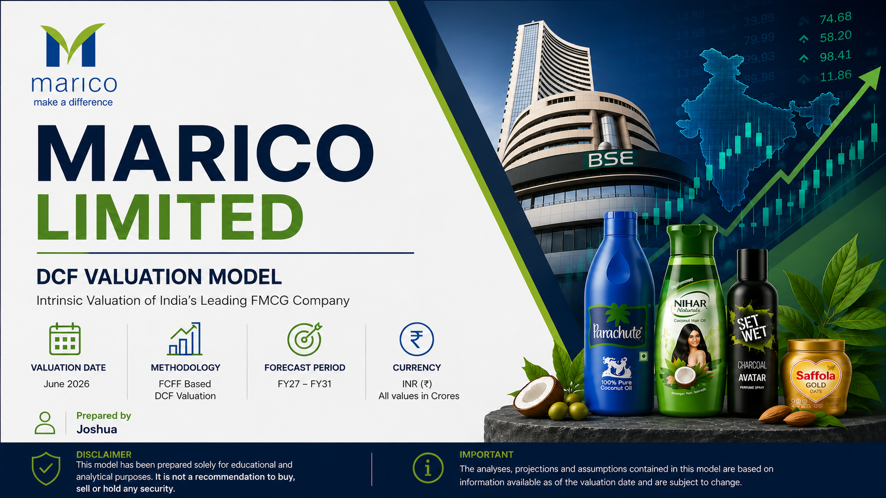

Assumptions and Drivers
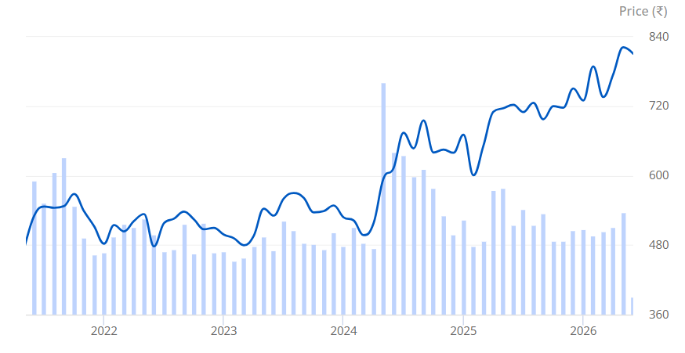
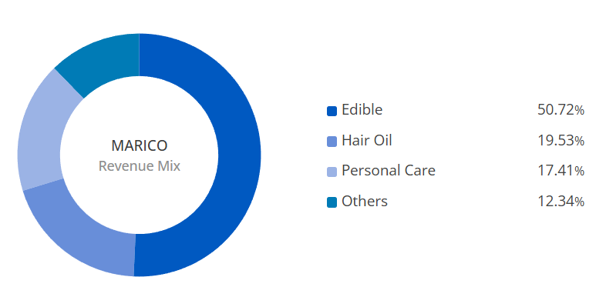
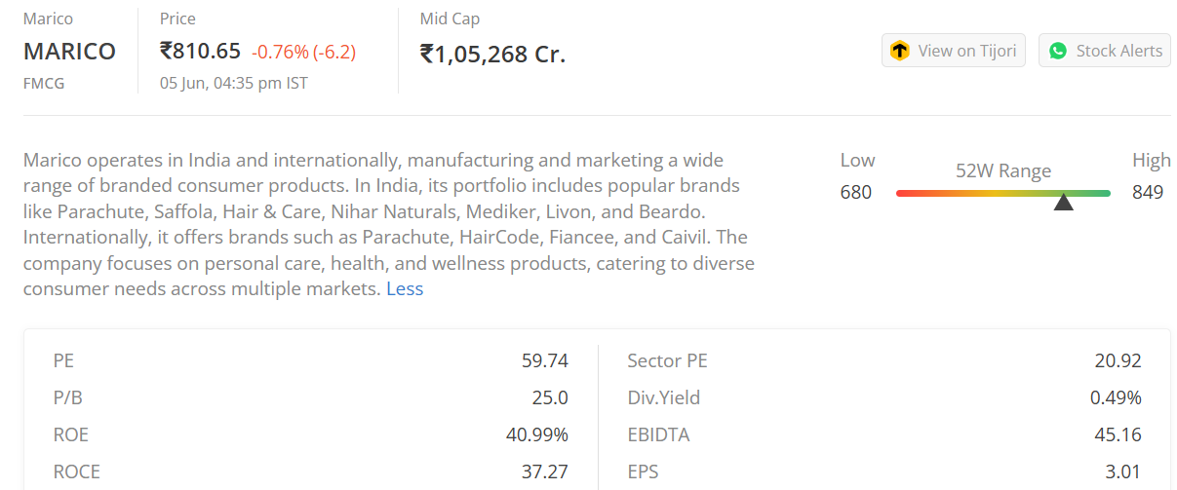
Assumptions & Drivers
Company | MARICO Ltd.
Currency | INR
Domestic Country | India
Market Risk Premium India(ERP) | 7.0%
Current Market Price (June 5th 2026) | ₹ 810.65
Tax Rate | 22.0%
Face Value | 1
Beta | 0.50
Yield of 10 Year Gov. bonds (Rf) | 6.80%
Perpetual Growth Rate (g) | 5.00%
Cost of Goods Sold Margin | 53.4%
Employee Expenses Rate | 7.7%
Advertisement and Selling Expenses | 9.5%
Other Operating Expenses | 11.5%
Yield on Liquid Funds | 9.5%

